Sheet1
Led | Forward Voltage (V) | Resistance votage (V) | Forward current (mA) | Resistance (ohm) | Resistor Rated Power (W) | Selected resistor (ohm) | Worst Case Resistor (ohm) | Worst Case current (mA) | Worst Luminous intensity | Best Case resistor (ohm) | Best Case current (mA) | Best Luminous intensity
Red | 2 | 3 | 20 | 150 | 0.06 | 150±5% with 10±5% | 152 | 19.736842105 | 0.99 | 168 | 17.857142857 | 0.95
Blue | 3.1 | 1.9 | 20 | 95 | 0.038 | 100±5% | 95 | 20 | 1 | 105 | 18.095238095 | 0.95
Green | 3.1 | 1.9 | 20 | 95 | 0.038 | 100±5% | 95 | 20 | 1 | 105 | 18.095238095 | 0.95

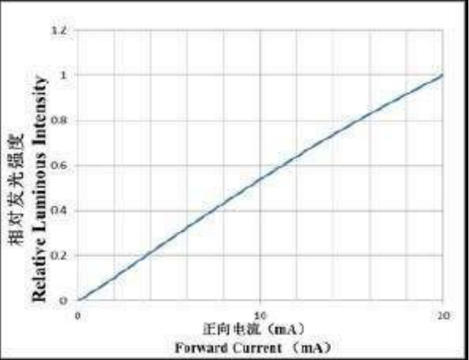
Power Supply Voltage (V): | 5

